Datailed Inquiry Information
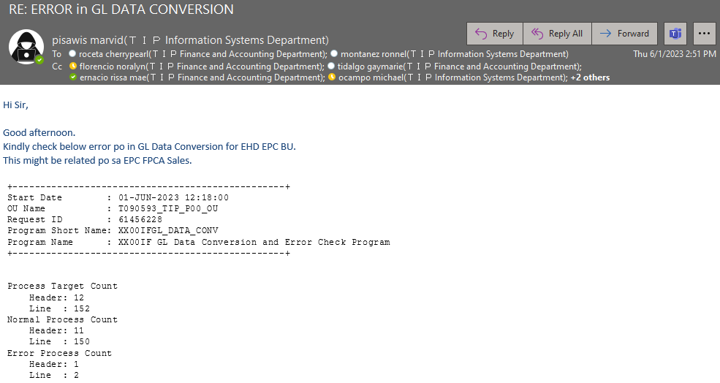
Detailed Inquiry Information

Detailed Investigation Result
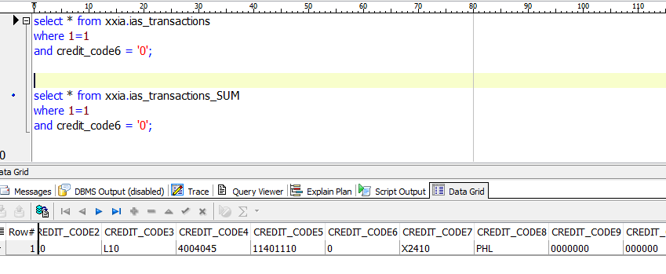
Detailed Investigation Result

The IA Code Combination has only one zero, whereas the GL Combination has four zeros.

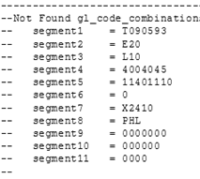

In the error code, there is one zero in Segment6.

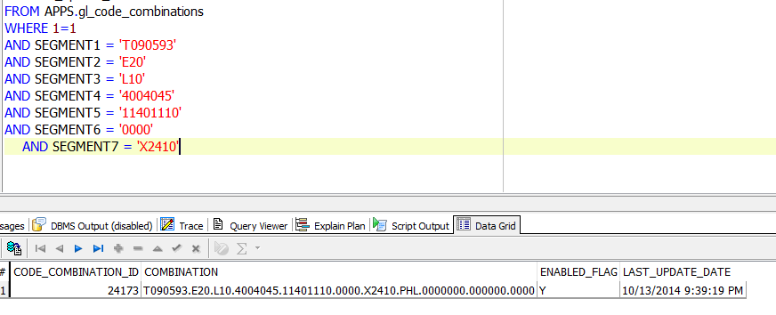

The GL code combination setup has four zeros.

The GL code combination setup has four zeros.
Both values in this table consist of only one zero.

Actual Operation Evidence
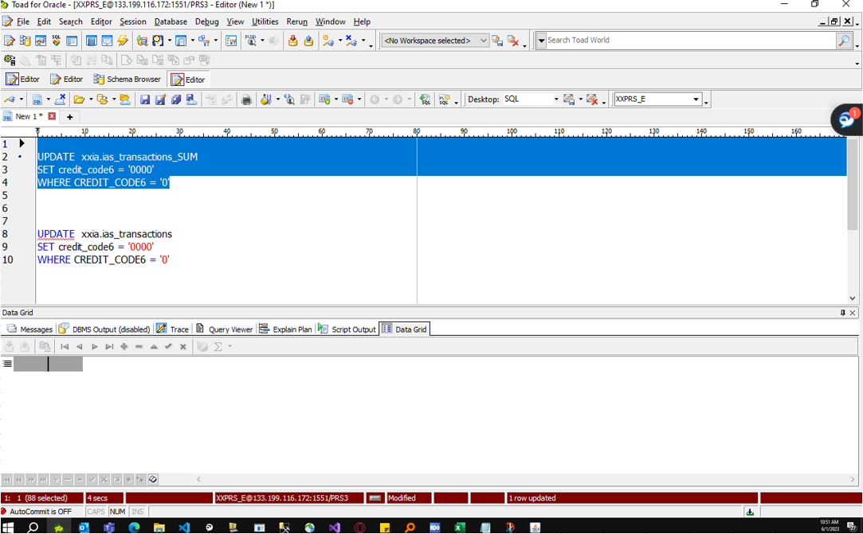
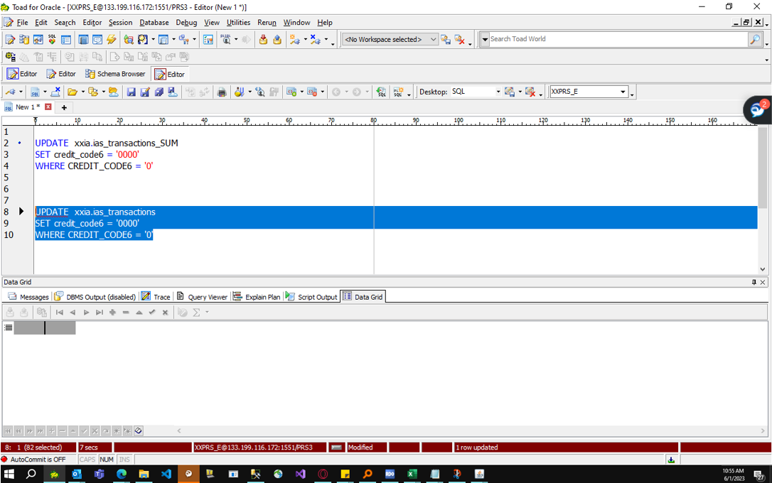
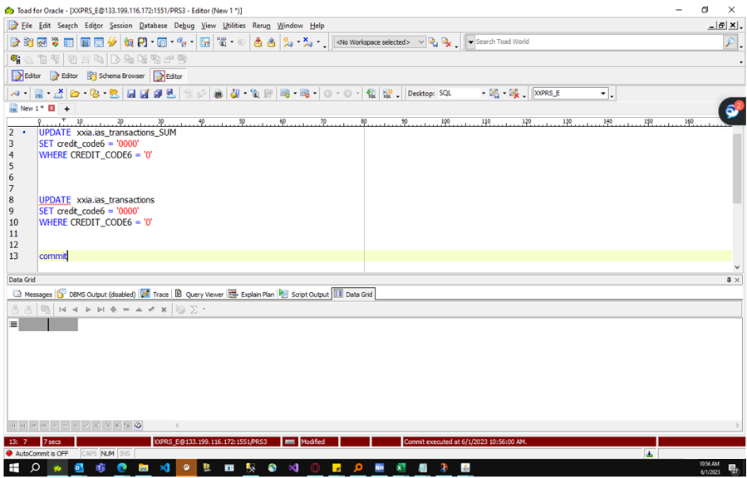
Actual Operation Evidence

 | UPDATE THE VALUES OF CREDIT_CODE6 FROM TABLE XXIA.IAS_TRANSACTIONS_SUM AND XXIA.IAS_TRANSACTIONS_SUM

Helpdesk Request
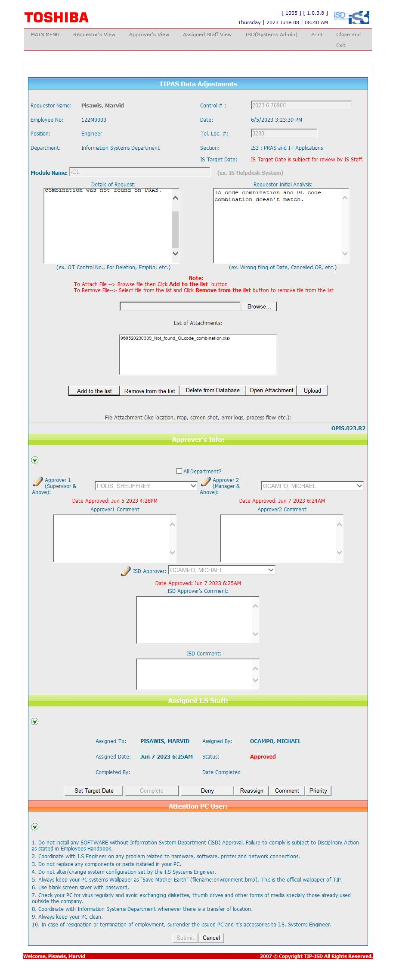
Helpdesk Request

